Tech
Image_alt | Name Ellipsis | Regular Price($) | Name Ellipsis_link | Image_link | Image_filename
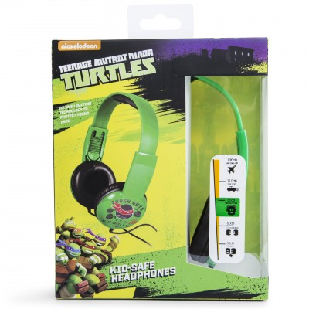 | teenage mutant ninja turtles™ kids safe... | 5 | https://www.fivebelow.com/tech/teenage-mutant-ninja-turtles-trade-kids-safe-headphones.html | https://www.fivebelow.com/tech/teenage-mutant-ninja-turtles-trade-kids-safe-headphones.html | kids-safe-hp-tmnt-1_ECOM1601.149fa8cebf7210830b48d2c3080e0029.jpg
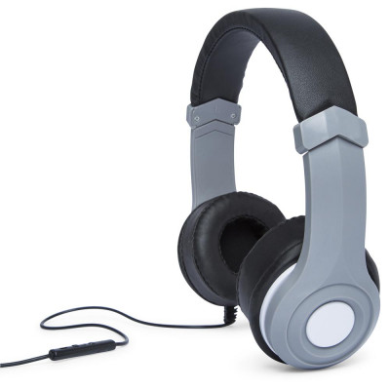 | lux headphone w/mic | 5 | https://www.fivebelow.com/tech/lux-headphone-w-mic.html | https://www.fivebelow.com/tech/lux-headphone-w-mic.html | 2754034_lux-stereo-headphones-2_ecom1610-2.88a763b3669fd97dcc5ce37965370fbe.jpg
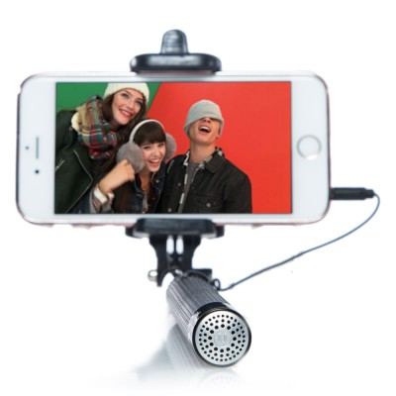 | soundcam selfie stick w/mic | 5 | https://www.fivebelow.com/tech/soundcam-selfie-stick-w-mic.html | https://www.fivebelow.com/tech/soundcam-selfie-stick-w-mic.html | 2739050_selfie-stick-with-mic-2.323948fd0679173c1fb171aabcb5fe9e.jpg
 | xbox one® battleborn® | 5 | https://www.fivebelow.com/tech/xbox-one-reg-battleborn-reg.html | https://www.fivebelow.com/tech/xbox-one-reg-battleborn-reg.html | 2839702_xboxone-battleborn-1_ecom1707.53e9f238790666c68c71b29632d30aad.jpg
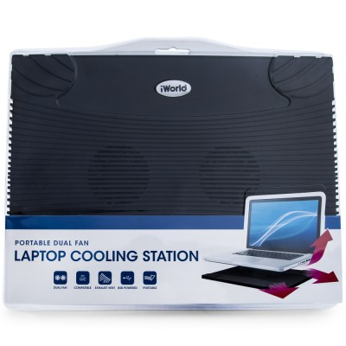 | laptop cool station black | 5 | https://www.fivebelow.com/tech/laptop-cool-station-black.html | https://www.fivebelow.com/tech/laptop-cool-station-black.html | 1990407_portable-dual-fan-laptop-cooling-station-1_ECOM1607.fb87d3ed8e159b4dd37e0b64b937d23a.jpg
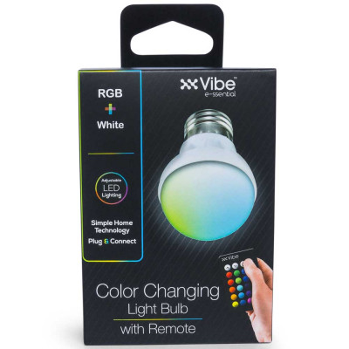 | multi-color bulb w/ remote | 5 | https://www.fivebelow.com/tech/multi-color-bulb-w-remote.html | https://www.fivebelow.com/tech/multi-color-bulb-w-remote.html | 2754232-color-changing-lightbulb-2-ecom.47a164a93116cf3bea674fa3fa50d97e.jpg
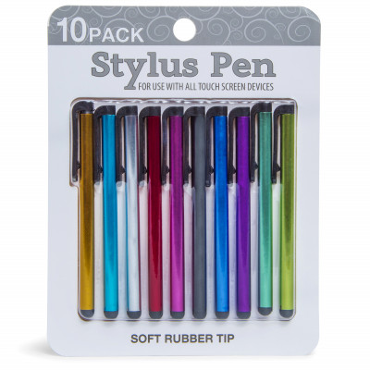 | stylus pens 10pk | 5 | https://www.fivebelow.com/tech/10pk-stylus-pens.html | https://www.fivebelow.com/tech/10pk-stylus-pens.html | stylus-10-pack-1_ECOM1602.d766b9d23b237bb10ec83d7661c14783.jpg
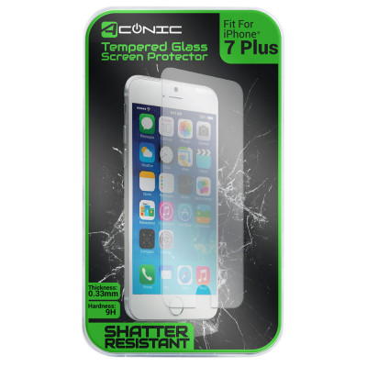 | iphone 7®plus tempered glass phone protector | 5 | https://www.fivebelow.com/tech/iphone-7-reg-plus-tempered-glass-phone-protector.html | https://www.fivebelow.com/tech/iphone-7-reg-plus-tempered-glass-phone-protector.html | 2750735_iphone-7p-tempered-glass-1.8d880f89e2a1c95e8ba2a0c4bc32407e.jpg
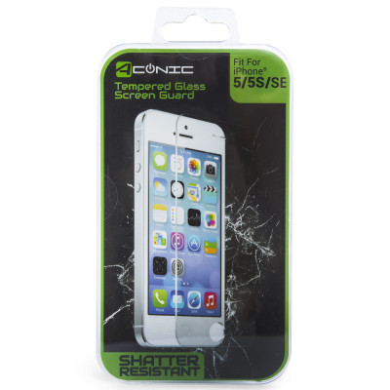 | iphone se® /5® / 5s® tempered glass screen... | 5 | https://www.fivebelow.com/tech/iphone5s5c-tempered-glass.html | https://www.fivebelow.com/tech/iphone5s5c-tempered-glass.html | 2511442_iphone_5-5s-SE-tempered-glass-screen-protector-1_ECOM1607.9fbe721879b0672ce04b31f3cf302253.jpg
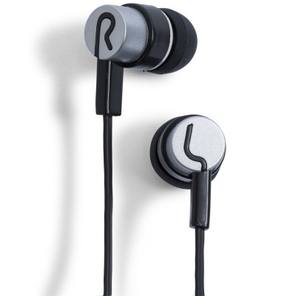 | chrome control stereo earbuds w/ mic | 5 | https://www.fivebelow.com/tech/chrome-ctrl-bud-w-mic-ast.html | https://www.fivebelow.com/tech/chrome-ctrl-bud-w-mic-ast.html | 2734184_chrome-control-stereo-earbuds-w-mic-2_ECOM1607.87be74996dbef772c23bcd9384111cd3.jpg
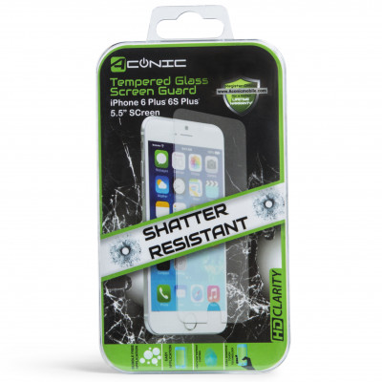 | iphone 6®plus / 6s®plus tempered glass screen... | 5 | https://www.fivebelow.com/tech/iphone-6-plus-reg-6s-plus-reg-tempered-glass-screen-guard.html | https://www.fivebelow.com/tech/iphone-6-plus-reg-6s-plus-reg-tempered-glass-screen-guard.html | iphone6p-a-sential-tglass-1_ECOM1601.3ff0dc4925d240d5b80fb75b83d7e2cf.jpg
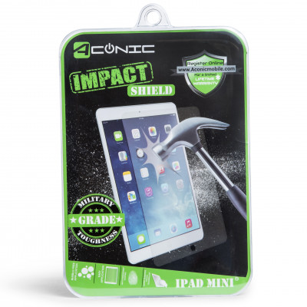 | ipad mini® impact film shield | 5 | https://www.fivebelow.com/tech/ipad-mini-reg-impact-film-shield.html | https://www.fivebelow.com/tech/ipad-mini-reg-impact-film-shield.html | ipadmini-pro-film-impact-1_ECOM1601.930fa4292fab01596398ba1bac07e2e0.jpg
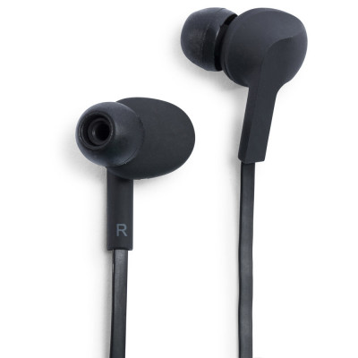 | orion earbuds w/ mic | 5 | https://www.fivebelow.com/tech/orion-earbuds-w-mic.html | https://www.fivebelow.com/tech/orion-earbuds-w-mic.html | 2651255_orion-earbuds-w-mic-ast-2_ECOM1609.4ad1d8aa3406f7883505b557662ae0b9.jpg
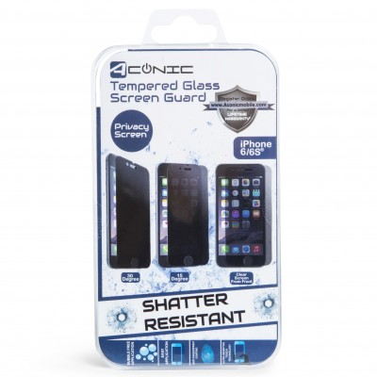 | iphone 7® / 6® / 6s® privacy screen protector | 5 | https://www.fivebelow.com/tech/iphone-7-reg-6s-reg-6-reg-tempered-glass-privacy-screen-guard.html | https://www.fivebelow.com/tech/iphone-7-reg-6s-reg-6-reg-tempered-glass-privacy-screen-guard.html | iphone6-privacy-tglass-1_ECOM1601.aa99bf98a7d6b52db6683a7ccbfe66b5.jpg
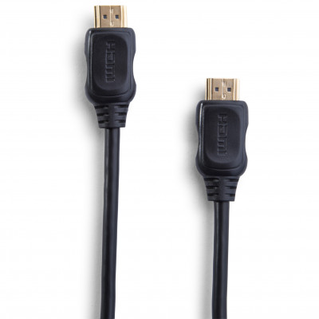 | hdmi cable 12ft | 5 | https://www.fivebelow.com/tech/12ft-hdmi-cable.html | https://www.fivebelow.com/tech/12ft-hdmi-cable.html | 12ft-hdmi-cable-3_ECOM1601.3199e8e1da91b39209d6c4e21d6f1394.jpg
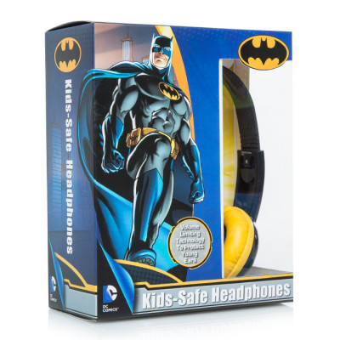 | batman™ kids safe headphones | 5 | https://www.fivebelow.com/tech/batman-trade-kids-safe-headphones.html | https://www.fivebelow.com/tech/batman-trade-kids-safe-headphones.html | batman-headphones-1.2da5001d412c62f2d17216609873bd82.jpg
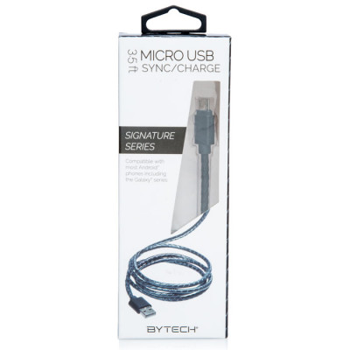 | micro cable | 5 | https://www.fivebelow.com/tech/micro-cable.html | https://www.fivebelow.com/tech/micro-cable.html | 2771434_micro-usb-cable-assorted-1.9751fd90eb56c4008c3b523149ef86ac.jpg
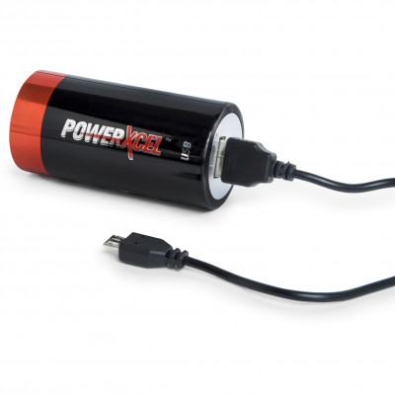 | powerxcel™ 2600 mah rechargeable portable... | 5 | https://www.fivebelow.com/tech/powerxcel-trade-2600-mah-usb-battery-bank.html | https://www.fivebelow.com/tech/powerxcel-trade-2600-mah-usb-battery-bank.html | 2600mah-pwrcell-btry-bank-3_ECOM1601.09f359bf3178f10930b4004f909e7cc9.jpg
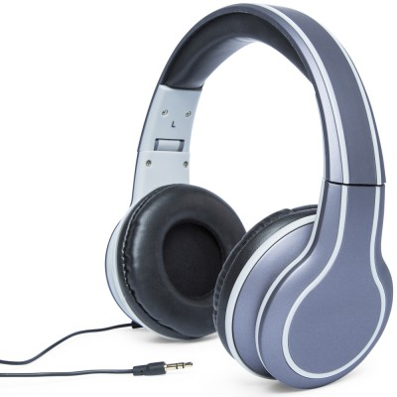 | metalloid dj headphones | 5 | https://www.fivebelow.com/tech/metalloid-dj-hp-mtlc-ast.html | https://www.fivebelow.com/tech/metalloid-dj-hp-mtlc-ast.html | 2642676_metalloid-dj-headphones-2_ECOM1607.c1053d7fd32d0e39a80902c04b238ea2.jpg
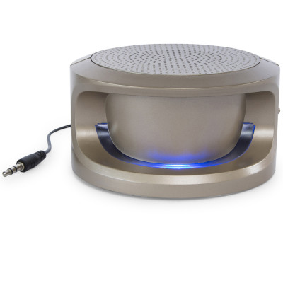 | zeno portable stereo speaker | 5 | https://www.fivebelow.com/tech/xeno-speaker-mtlc-ast.html | https://www.fivebelow.com/tech/xeno-speaker-mtlc-ast.html | 2682425_zeno-portable-stereo-speaker-4_ECOM1607.e92297a6aab13699934a375015324bec.jpg
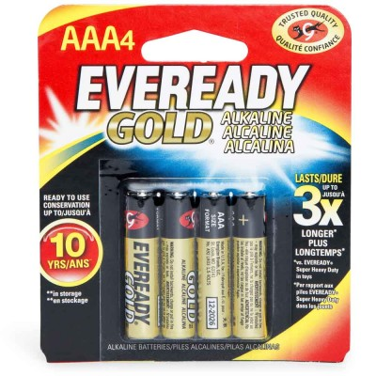 | eveready® gold® 4 aaa batteries | 1.99 | https://www.fivebelow.com/tech/eveready-reg-gold-reg-4-aaa-batteries.html | https://www.fivebelow.com/tech/eveready-reg-gold-reg-4-aaa-batteries.html | 1305952_eveready-gold-aaa-4-pk-1_ecom1611.06e0e8b628eb44575090a789375d3a1e.jpg
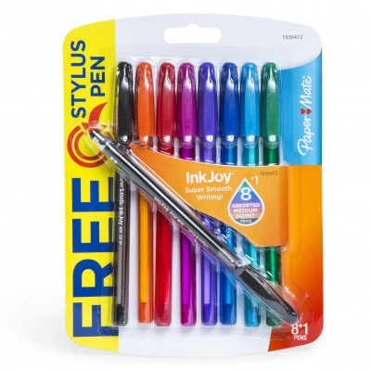 | paper mate® inkjoy™ 8ct pens + bonus stylus | 3 | https://www.fivebelow.com/tech/paper-mate-reg-inkjoy-mini-reg-8ct-pens.html | https://www.fivebelow.com/tech/paper-mate-reg-inkjoy-mini-reg-8ct-pens.html | 8ct-inkjoy-asst-stylus-1_ECOM1601.bcf4d40ffed8be63809484f66c6c3c8b.jpg
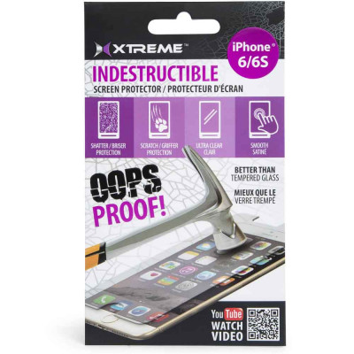 | iphone 7® / 6s® / 6® indestructable screen... | 5 | https://www.fivebelow.com/tech/indestructable-iphone-6-6s-reg-screen-protector.html | https://www.fivebelow.com/tech/indestructable-iphone-6-6s-reg-screen-protector.html | 2469542_indestructable-iphone-6-6s-screen-protector-1_ecom1609.89529b2b1dd05217ba3dce7cf3b9e1d6.jpg
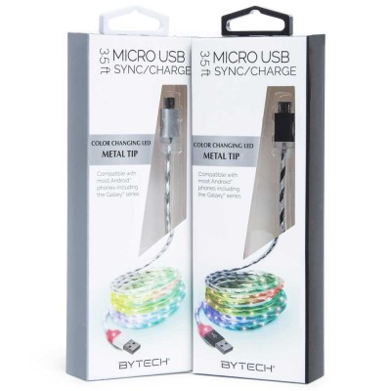 | color changing micro usb cord 3.5ft | 5 | https://www.fivebelow.com/tech/color-changing-mirco-usb-cord-3-5ft.html | https://www.fivebelow.com/tech/color-changing-mirco-usb-cord-3-5ft.html | 2493856_35ft-color-changing-cables-asst-1_ecom1703.ee89737c50770442f0a732f4412b8538.jpg
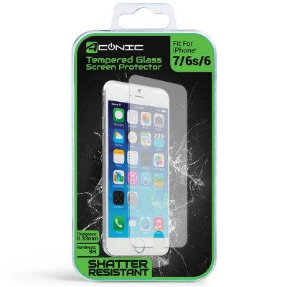 | iphone 7® / 6s® / 6® tempered glass screen... | 5 | https://www.fivebelow.com/tech/iphone-7-6s-reg-6-reg-tempered-glass-screen-guard.html | https://www.fivebelow.com/tech/iphone-7-6s-reg-6-reg-tempered-glass-screen-guard.html | 2486108_iphone-6-6s-7-tempered-glass-1_1.1d4097f5c5961fb0c7b34a8ed9c75be9.jpg
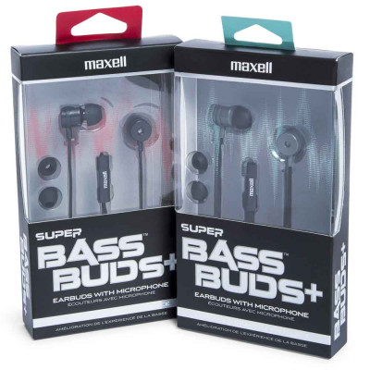 | super bass buds w/ mic earbuds | 5 | https://www.fivebelow.com/tech/super-bass-buds-w-mic-earbuds.html | https://www.fivebelow.com/tech/super-bass-buds-w-mic-earbuds.html | 2731909_super-bass-buds-with-mic-asst-1_ecom1703.68c3d8f8c2c1fbfcc6e55cdcc58244a0.jpg
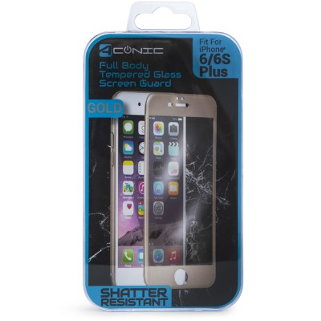 | iphone 6 plus® / 6s plus® full body tempered glass... | 5 | https://www.fivebelow.com/tech/iphone-6-plus-tempered-glass-case-5c2230.html | https://www.fivebelow.com/tech/iphone-6-plus-tempered-glass-case-5c2230.html | 2569192_iphone-6-plus-6s-plus-full-body-tempered-glass-screen-guard-1_ecom1607_1.b49916dc46eff909c4e199f4cb9aebe3.jpg
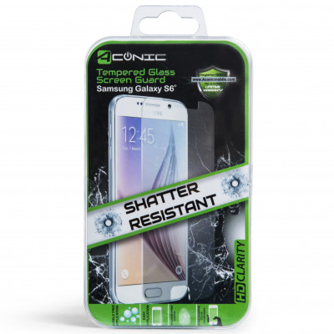 | samsung galaxy® s6 tempered glass screen... | 5 | https://www.fivebelow.com/tech/samsung-galaxy-s6-reg-tempered-glass-screen-guard.html | https://www.fivebelow.com/tech/samsung-galaxy-s6-reg-tempered-glass-screen-guard.html | glxys6-a-sential-tglass-1_ECOM1601.9c4ce25043df1265773a3fa95ffc8ef7.jpg
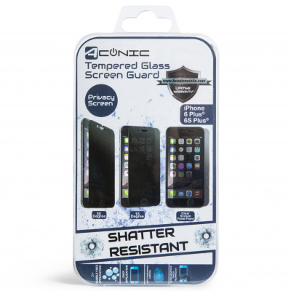 | iphone 6®plus / 6s®plus privacy screen protector | 5 | https://www.fivebelow.com/tech/iphone-6-plus-reg-6s-plus-reg-tempered-glass-privacy-screen-guard.html | https://www.fivebelow.com/tech/iphone-6-plus-reg-6s-plus-reg-tempered-glass-privacy-screen-guard.html | iphone6p-privacy-tglass-1_ECOM1601.f52b9a2f31ec2d65096613e8f1e5cb31.jpg
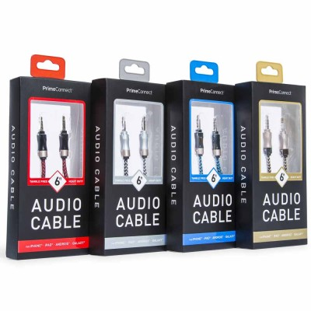 | heavy duty audio cable | 5 | https://www.fivebelow.com/tech/heavy-duty-audio-cable.html | https://www.fivebelow.com/tech/heavy-duty-audio-cable.html | 2672822_6ft-heavy-duty-nylon-ast-1_ecomm1712.77e5ac93dcfd7e269d678770415fc050.jpg
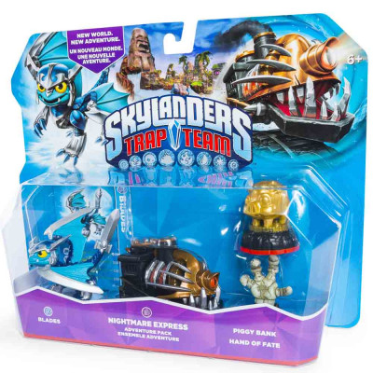 | skylanders™ trap team nightmare express... | 5 | https://www.fivebelow.com/tech/skylanders-trade-trap-team-nightmare-express-adventure-pack.html | https://www.fivebelow.com/tech/skylanders-trade-trap-team-nightmare-express-adventure-pack.html | 2849420_skylndr-trap-nitemr-advpk-4_ecom1707.36238d857615c0ce83eefec9cee90d44.jpg
 | playstation® ps4™ battleborn | 5 | https://www.fivebelow.com/tech/playstation-reg-ps4-trade-battleborn.html | https://www.fivebelow.com/tech/playstation-reg-ps4-trade-battleborn.html | 2839686_ps4-battleborn-2_ecom1707.9b65b32607ead17b9e178267a4cc0fc5.jpg
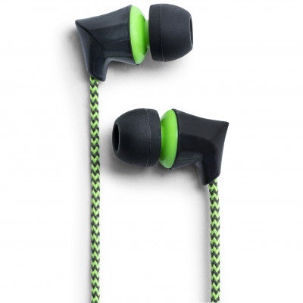 | kord tangle free earbuds w/ mic | 5 | https://www.fivebelow.com/tech/kord-tangle-free-earbuds-w-mic.html | https://www.fivebelow.com/tech/kord-tangle-free-earbuds-w-mic.html | kord-eb-w-mic-fabric-asst-green-1_ECOM1601.117fc1bf0ab0e80b7166d4e174218a4e.jpg
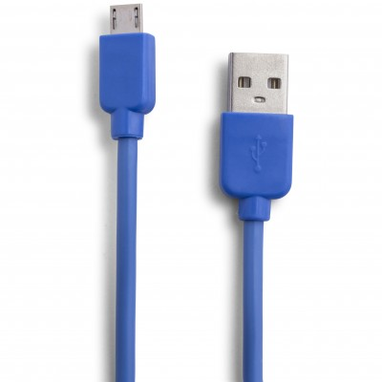 | micro usb cable 10ft | 5 | https://www.fivebelow.com/tech/10ft-micro-usb-cable.html | https://www.fivebelow.com/tech/10ft-micro-usb-cable.html | 10ft-micro-hvy-duty-ast-A-3_ECOM1602.f2a34ceeba12e5a33c8da0796561ba59.jpg
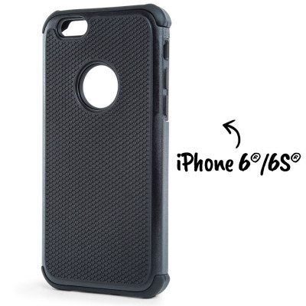 | iphone 6® / 6s® bumper phone case | 5 | https://www.fivebelow.com/tech/iphone-reg-bumper-case.html | https://www.fivebelow.com/tech/iphone-reg-bumper-case.html | 2593689_iphone6-asntl-bumpr-ast-black-1_ecom1601_1.972df88ba6d9393ac0ae84df193dca82.jpg
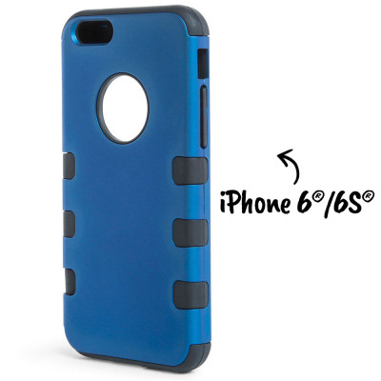 | iphone 6® / 6s® safeguard phone case | 5 | https://www.fivebelow.com/tech/iphone-reg-hybrid-case.html | https://www.fivebelow.com/tech/iphone-reg-hybrid-case.html | 2593713_iphone6-asntl-hybrid-ast-blue-1_ecom1601_1.d7b89354c205c2d7d1362627c59f0338.jpg
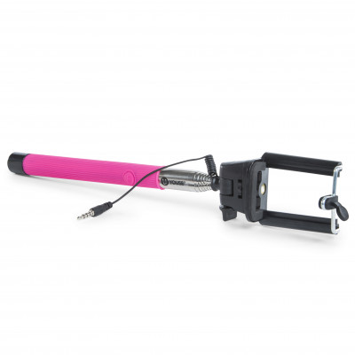 | U youse™ selfie stick w/ aux cable | 5 | https://www.fivebelow.com/tech/youse-selfie-stick-w-aux-cable.html | https://www.fivebelow.com/tech/youse-selfie-stick-w-aux-cable.html | u-youse-selfie-stick-w-bt-pink-1_ECOM1601_1.5ca2b756a7566fc35a9952fb78ea7821.jpg
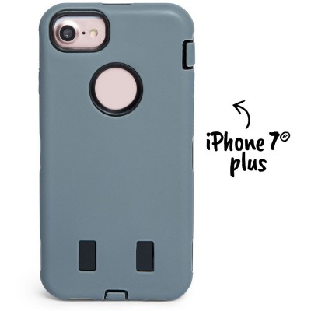 | iphone 7®plus multi-layered protective tuff... | 5 | https://www.fivebelow.com/tech/iphone-7-plus-reg-multi-layered-protective-tuff-case-258654.html | https://www.fivebelow.com/tech/iphone-7-plus-reg-multi-layered-protective-tuff-case-258654.html | 1gray.39f9342abbefd322594150c8396ed291.jpg
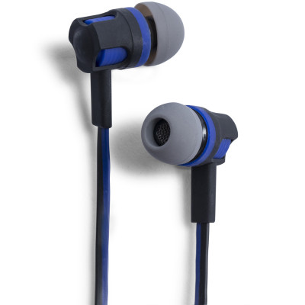 | ifashion slate earbuds | 5 | https://www.fivebelow.com/tech/ifashion-slate-earbuds-709f22.html | https://www.fivebelow.com/tech/ifashion-slate-earbuds-709f22.html | 26512163_slate-earbuds-w-mic-2_ecom1607.7359cf1303f1f9ef0c66bf9238cc79d8.jpg
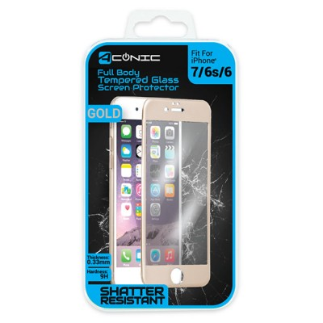 | iphone 7®/ 6s® / 6® full body tempered glass... | 5 | https://www.fivebelow.com/tech/iphone-6-plus-reg-6s-plus-reg-full-body-tempered-glass-screen-guard-f1e1dd.html | https://www.fivebelow.com/tech/iphone-6-plus-reg-6s-plus-reg-full-body-tempered-glass-screen-guard-f1e1dd.html | 2569192_aconic-screen-protector-iphone-7-3.92ccef93f8c6d9c9dfa9b2f7929a33ad.jpg
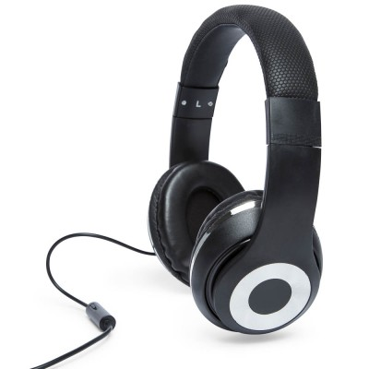 | titan dj style headphones | 5 | https://www.fivebelow.com/tech/titan-dj-style-headphones-1b6f1a.html | https://www.fivebelow.com/tech/titan-dj-style-headphones-1b6f1a.html | 2511301_titan-hp-w-mic-color-ast2-3_ecom1611.18cf78bfd6a43dd307a11a68b1a83f64.jpg
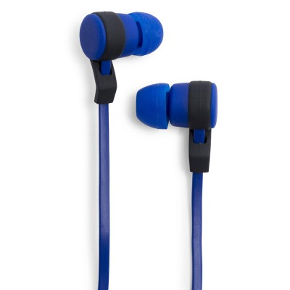 | axle earbuds w/mic | 5 | https://www.fivebelow.com/tech/axle-earbuds-w-mic.html | https://www.fivebelow.com/tech/axle-earbuds-w-mic.html | 2730802_axle-earbuds-w-mic-ast-2_ecom1611.84cc020bdf6240ba52e06dc57b949f9f.jpg
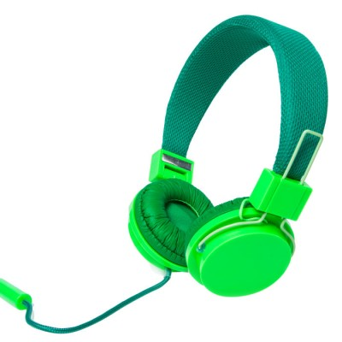 | glow in the dark headphones | 5 | https://www.fivebelow.com/tech/glow-in-the-dark-headphones.html | https://www.fivebelow.com/tech/glow-in-the-dark-headphones.html | 2511343_glow-in-the-dark-headphones-2.f22479cb4d0e0d659f9544f364ccbeac.jpg
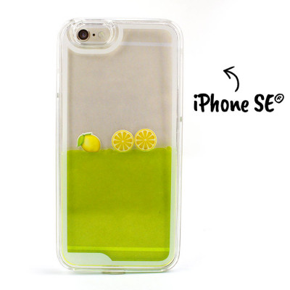 | iphone se® liquid phone case | 5 | https://www.fivebelow.com/tech/iphone-se-reg-liquid-case-e43871.html | https://www.fivebelow.com/tech/iphone-se-reg-liquid-case-e43871.html | 2746360_iphone-se-liquid-case-1.c0fb99fb4345932670b21b741761ecca.jpg
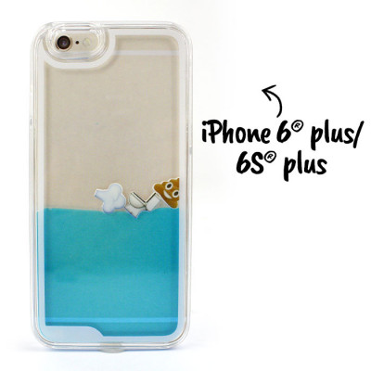 | iphone 6®plus liquid phone case | 5 | https://www.fivebelow.com/tech/iphone-6-plus-reg-liquid-case-95d374.html | https://www.fivebelow.com/tech/iphone-6-plus-reg-liquid-case-95d374.html | 2746352_iphone-6p-6sp-liquid-case-1.58f7475391dd0e3b0c0e28ce7215e038.jpg
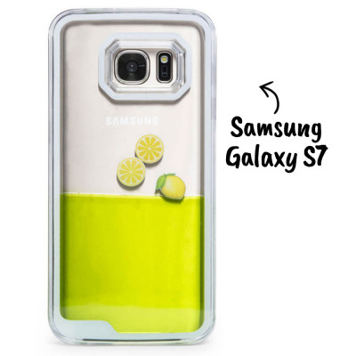 | samsung galaxy® s7 liquid phone case | 5 | https://www.fivebelow.com/tech/galaxy-s7-reg-liquid-case-d1d90c.html | https://www.fivebelow.com/tech/galaxy-s7-reg-liquid-case-d1d90c.html | 2746378_lemon-galaxy-s7-liquid-case-1_ecom1612_1.5c221e3a81ae080439969203675981d6.jpg
 | fuzzy ear headphones | 5 | https://www.fivebelow.com/tech/fuzzy-ear-headphones-b39ce6.html | https://www.fivebelow.com/tech/fuzzy-ear-headphones-b39ce6.html | fuzzy-headphones-with-ears-1_ecom1608.4daa918a2edc26964be0e60d8bd2eb02.jpg
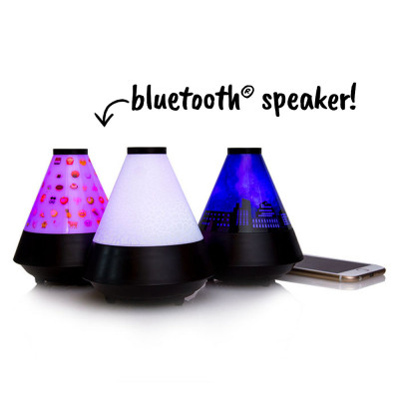 | bluetooth® wireless color-changing cone speaker | 5 | https://www.fivebelow.com/tech/bluetooth-reg-color-changing-cone-wireless-speaker.html | https://www.fivebelow.com/tech/bluetooth-reg-color-changing-cone-wireless-speaker.html | 2753895_bluetooth-color-changing-speaker-1_1.7a08524d825da414178de53bea984dc9.jpg
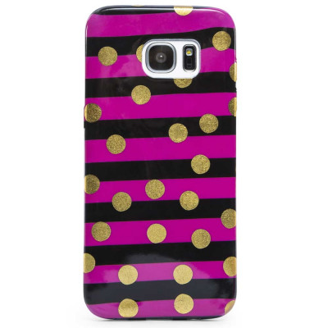 | samsung galaxy® 7e phone case | 5 | https://www.fivebelow.com/tech/samsung-galaxy-7e-reg-phone-case-1f96e5.html | https://www.fivebelow.com/tech/samsung-galaxy-7e-reg-phone-case-1f96e5.html | 2748143_hotpink-samsung-galaxy-7e-phone-case-1_ecom1612_1.7dd43d62bb009848455384372594174b.jpg
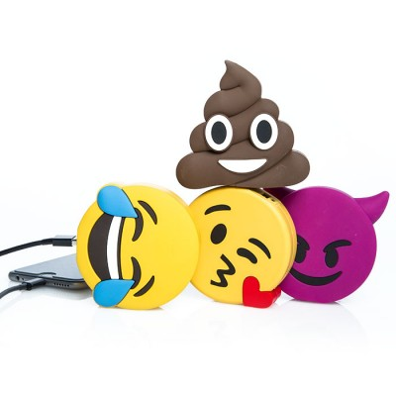 | emoji™ 2200 mah rechargeable portable... | 5 | https://www.fivebelow.com/tech/emoji-trade-powerbank-d0dc49.html | https://www.fivebelow.com/tech/emoji-trade-powerbank-d0dc49.html | 2760080_emoji-powerbank-1.1692b915e96e33e8048cf8c934b4e3cf.jpg
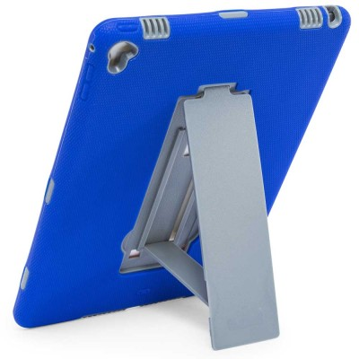 | ipad air® 2 kickstand tuff case | 5 | https://www.fivebelow.com/tech/ipad-air-reg-kickstand-tuff-case-f19827.html | https://www.fivebelow.com/tech/ipad-air-reg-kickstand-tuff-case-f19827.html | 2773687_blue-ipad-air-kickstand-tuff-case_ecom1612.9f32cc2d6d71f0e8a29bd945259d2564.jpg
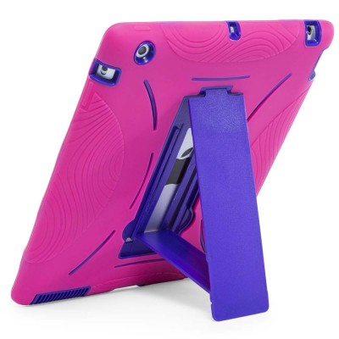 | ipad® kickstand tuff case | 5 | https://www.fivebelow.com/tech/ipad-reg-kickstand-case-black-bd2bc6.html | https://www.fivebelow.com/tech/ipad-reg-kickstand-case-black-bd2bc6.html | 2762201_pink-ipad-kickstand-case-black-3_ecom1612.371f14a64bbd2eb2df6e93e538a00d8f.jpg
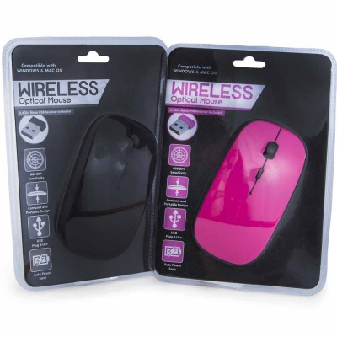 | wireless mouse | 5 | https://www.fivebelow.com/tech/wireless-mouse.html | https://www.fivebelow.com/tech/wireless-mouse.html | 2672855_wireless-mouse_ecom1612-2.ae9e326013899bcdb25940a345e6576e.jpg
 | smiley print headphones | 5 | https://www.fivebelow.com/tech/smiley-print-headphones.html | https://www.fivebelow.com/tech/smiley-print-headphones.html | 2761104_smiley-print-headphones-1_1.763372dc3134cefb6a8e36e1bac0b90e.jpg
 | dancing water speaker | 5 | https://www.fivebelow.com/tech/dancing-water-speaker-f16e1c.html | https://www.fivebelow.com/tech/dancing-water-speaker-f16e1c.html | 2747525_dancing-water-speaker-4_ECOM1610.90597eae10184499129865fbfbccbd50.jpg
 | vigor headphone | 5 | https://www.fivebelow.com/tech/vigor-headphone-b8ad61.html | https://www.fivebelow.com/tech/vigor-headphone-b8ad61.html | 2734218_vigor-stereo-headphones-2_ECOM1610.15e6ae07387cf403adba3be633417c88.jpg
 | vox led aux soundbar speaker | 5 | https://www.fivebelow.com/tech/vox-led-aux-soundbar-speaker-d19eeb.html | https://www.fivebelow.com/tech/vox-led-aux-soundbar-speaker-d19eeb.html | vox-led-speaker-6_ecom1610.8b680722d7749fd8c79d1b01ec874b18.jpg
 | iphone 7® plus foil design phone case | 5 | https://www.fivebelow.com/tech/iphone-7-reg-plus-foil-design-phone-case-a6fb8e.html | https://www.fivebelow.com/tech/iphone-7-reg-plus-foil-design-phone-case-a6fb8e.html | iphone7plus_foilgeo.80d7b7d5f0d1766e3bdf9b227ab12902.jpg
 | iphone se® / 5® / 5s® palace hardshell phone... | 5 | https://www.fivebelow.com/tech/iphone-se-reg-5-reg-5s-reg-palace-hardshell-phone-case-636c6d.html | https://www.fivebelow.com/tech/iphone-se-reg-5-reg-5s-reg-palace-hardshell-phone-case-636c6d.html | iphone5_palace_teal_1.303a7c1a1a5d1fe1dabce8cec1da97a5.jpg
 | iphone 6® / 6s® palace hardshell phone case | 5 | https://www.fivebelow.com/tech/iphone-6-reg-6s-reg-palace-hardshell-phone-case-1fdaec.html | https://www.fivebelow.com/tech/iphone-6-reg-6s-reg-palace-hardshell-phone-case-1fdaec.html | audio-chic-6-6s-3_ecom1701_1.3e8e608d445d851f8b9e7d73b5ce9969.jpg
 | oregon headphones | 5 | https://www.fivebelow.com/tech/oregon-headphone-4cf787.html | https://www.fivebelow.com/tech/oregon-headphone-4cf787.html | 2739316_oregon-headphones-1_ecom1703.9c18ab4eed2c85a499fed14a94f948d5.jpg
 | iphone 7® swarovski® crystal phone case | 5 | https://www.fivebelow.com/tech/iphone-7-reg-swarovski-reg-crystal-phone-case-eb8ef6.html | https://www.fivebelow.com/tech/iphone-7-reg-swarovski-reg-crystal-phone-case-eb8ef6.html | 2794956_iphone-7-swarovski-phone-cases-asst-1_ecom1703.fc917eaa4fcea53ca3cf3787c5ceb802.jpg
 | phantom earbuds w/ mic | 5 | https://www.fivebelow.com/tech/phantom-earbuds-w-mic-ac9fa2.html | https://www.fivebelow.com/tech/phantom-earbuds-w-mic-ac9fa2.html | 2651164_phantom-earbuds-with-mic-asst-1_ecom1703.7be0972607ffc876af31a10d26748574.jpg
 | jelleez bud w/ mic earbuds | 5 | https://www.fivebelow.com/tech/jelleez-bud-w-mic-earbuds-7b38c1.html | https://www.fivebelow.com/tech/jelleez-bud-w-mic-earbuds-7b38c1.html | 2734622_jelleez-earbuds-with-mic-asst-1_ecom1703.ce5ef15f6dd7fb157230dd0397f972b3.jpg
 | pink chandelier™ printed headphones | 5 | https://www.fivebelow.com/tech/pink-chandelier-trade-printed-headphones-ffbf15.html | https://www.fivebelow.com/tech/pink-chandelier-trade-printed-headphones-ffbf15.html | 2797801_pink-chandelier-headphones-ast-1_ecom1703.d2ed20964a53b96ca0966e9811aff247.jpg
 | trace slim headphones | 5 | https://www.fivebelow.com/tech/trace-slim-headphones-w-mic-6c999e.html | https://www.fivebelow.com/tech/trace-slim-headphones-w-mic-6c999e.html | 2760403_trace-slim-hp-with-mic-ast-1_ecom1703.6a915d91361c9e6ae62f66c0e56ec86a.jpg
 | wireless mouse | 4 | https://www.fivebelow.com/tech/wireless-mouse-cacabf.html | https://www.fivebelow.com/tech/wireless-mouse-cacabf.html | 2673374_optical-mouse-ast-1_ecom1705.8dc0a6cc212ea14351e98ab2c339309b.jpg
 | hype™ universal smartphone vent mount | 5 | https://www.fivebelow.com/tech/hype-trade-universal-smartphone-vent-mount-d8cd06.html | https://www.fivebelow.com/tech/hype-trade-universal-smartphone-vent-mount-d8cd06.html | 2494037_univ-vent-mount-ast-7_ecom1705.a3cca3d195d2aae635e82317ba527814.jpg
 | matrix metallic earbuds w/mic | 5 | https://www.fivebelow.com/tech/matrix-metallic-earbuds-w-mic-c17b44.html | https://www.fivebelow.com/tech/matrix-metallic-earbuds-w-mic-c17b44.html | 2741734_matrix-bud-w-mic-ast-1_ecom1705.306af017e99bf4c22e1be72972c01fa8.jpg
 | vibe™ heavy duty smartphone car mount | 5 | https://www.fivebelow.com/tech/vibe-trade-heavy-duty-smartphone-car-mount-201a7b.html | https://www.fivebelow.com/tech/vibe-trade-heavy-duty-smartphone-car-mount-201a7b.html | 2668366_vibe-heavy-gps-phn-mount-6_ecom1705.4338877cc696978c7168437fa56f3409.jpg
 | slimz earbuds w/mic | 5 | https://www.fivebelow.com/tech/slimz-earbuds-w-mic-cfbccb.html | https://www.fivebelow.com/tech/slimz-earbuds-w-mic-cfbccb.html | 2674984_slimz-buds-w-mic-ast-1_ecom1705.7773fcfe1453bd40bec8478f5134e313.jpg
 | grind dj style oversized headphones | 5 | https://www.fivebelow.com/tech/grind-dj-oversized-headphones-c78b57.html | https://www.fivebelow.com/tech/grind-dj-oversized-headphones-c78b57.html | 2753929_grind-dj-oversized-headph-1_ecom1705.474f9b5d96604b0ec7a17a75ef3a8210.jpg
 | cosmos bluetooth® headphones | 5 | https://www.fivebelow.com/tech/cosmos-bluetooth-reg-headphones-0bbaf0.html | https://www.fivebelow.com/tech/cosmos-bluetooth-reg-headphones-0bbaf0.html | bluetooth-headphones-red.94d3e296b798956b5c6d68fbd0475f73.jpg
 | 2600 mAh rechargable power bank w/flashlight | 5 | https://www.fivebelow.com/tech/2600-mah-rechargable-power-bank-w-flashlight-1c8e68.html | https://www.fivebelow.com/tech/2600-mah-rechargable-power-bank-w-flashlight-1c8e68.html | 2824142_2600mah-led-flashlight-3_ecom1707.7e2fc3dcd427cb7a9786a3dd7e4d0420.jpg
 | bluetooth® led paradise speaker | 5 | https://www.fivebelow.com/tech/bluetooth-reg-paradise-speaker-56755f.html | https://www.fivebelow.com/tech/bluetooth-reg-paradise-speaker-56755f.html | 2810075_bluetooth-speaker.bf993e26e25b479cb9fb14937ff2a55d.jpg
 | bluetooth® cube portable stereo speaker | 5 | https://www.fivebelow.com/tech/bluetooth-reg-cube-portable-stereo-speaker-9958b2.html | https://www.fivebelow.com/tech/bluetooth-reg-cube-portable-stereo-speaker-9958b2.html | 2819662_bluetooth-speaker.e45bff1fb633f723d7f2da73fdaad95a.jpg
 | pink chandelier® stereo headphones | 5 | https://www.fivebelow.com/tech/pink-chandelier-reg-stereo-headphones-bf4706.html | https://www.fivebelow.com/tech/pink-chandelier-reg-stereo-headphones-bf4706.html | 2820611_headphones-pc-14-ast-1_ecom1707.6676cd7efd48ccea992a22730e1b1d2e.jpg
 | samsung galaxy s® 8 smooth duo case | 5 | https://www.fivebelow.com/tech/samsung-galaxy-s-reg-8-smooth-duo-case-1501aa.html | https://www.fivebelow.com/tech/samsung-galaxy-s-reg-8-smooth-duo-case-1501aa.html | 2841468_galaxys8-smooth-duo-ast-1_ecom1710_1.de8d5fbc3e285f8325ac32b6c4bef365.jpg
 | samsung galaxy s® 8 plus smooth duo case | 5 | https://www.fivebelow.com/tech/samsung-galaxy-s-reg-8-plus-smooth-duo-case-2ec902.html | https://www.fivebelow.com/tech/samsung-galaxy-s-reg-8-plus-smooth-duo-case-2ec902.html | 2841450_galaxys8p-smooth-duo-ast-1_ecom1710_1_1.93ba4a70f6d0449c2fd4d593da140521.jpg
 | samsung galaxy s® 8 sync & charge usb 3.1 cable... | 5 | https://www.fivebelow.com/tech/samsung-galaxy-s-reg-8-sync-charge-usb-3-1-cable-6-feet-8563b4.html | https://www.fivebelow.com/tech/samsung-galaxy-s-reg-8-sync-charge-usb-3-1-cable-6-feet-8563b4.html | 2841849_6ft-31-en-type-c-ast-1_ecom1710.1c179c5738f9d72f95970f941339e518.jpg
 | series-8 fitness™ smartphone waist belt -... | 5 | https://www.fivebelow.com/tech/series-8-fitnesss-trade-smartphone-waist-belt-large-phones.html | https://www.fivebelow.com/tech/series-8-fitnesss-trade-smartphone-waist-belt-large-phones.html | waistband-1_ecom1613.e7469aa2aa2228a4f782c9ea27302321.jpg
 | series-8 fitness™ smartphone waist belt -... | 5 | https://www.fivebelow.com/tech/series-8-fitnesss-trade-smartphone-waist-belt-extra-large-phones.html | https://www.fivebelow.com/tech/series-8-fitnesss-trade-smartphone-waist-belt-extra-large-phones.html | waistband-2_ecom1613.d272351e4e2b2c7e7eb0c463e9e5ff06.jpg
 | bluetooth® splitzer waterproof wireless... | 5 | https://www.fivebelow.com/tech/bluetooth-reg-splitzer-waterproof-wireless-speaker-e275a2.html | https://www.fivebelow.com/tech/bluetooth-reg-splitzer-waterproof-wireless-speaker-e275a2.html | 2848109_btooth-splitzer-spkr-ast_ecomm1719.146c4e7259423bd270b247876f2cc903.jpg

